Sheet1
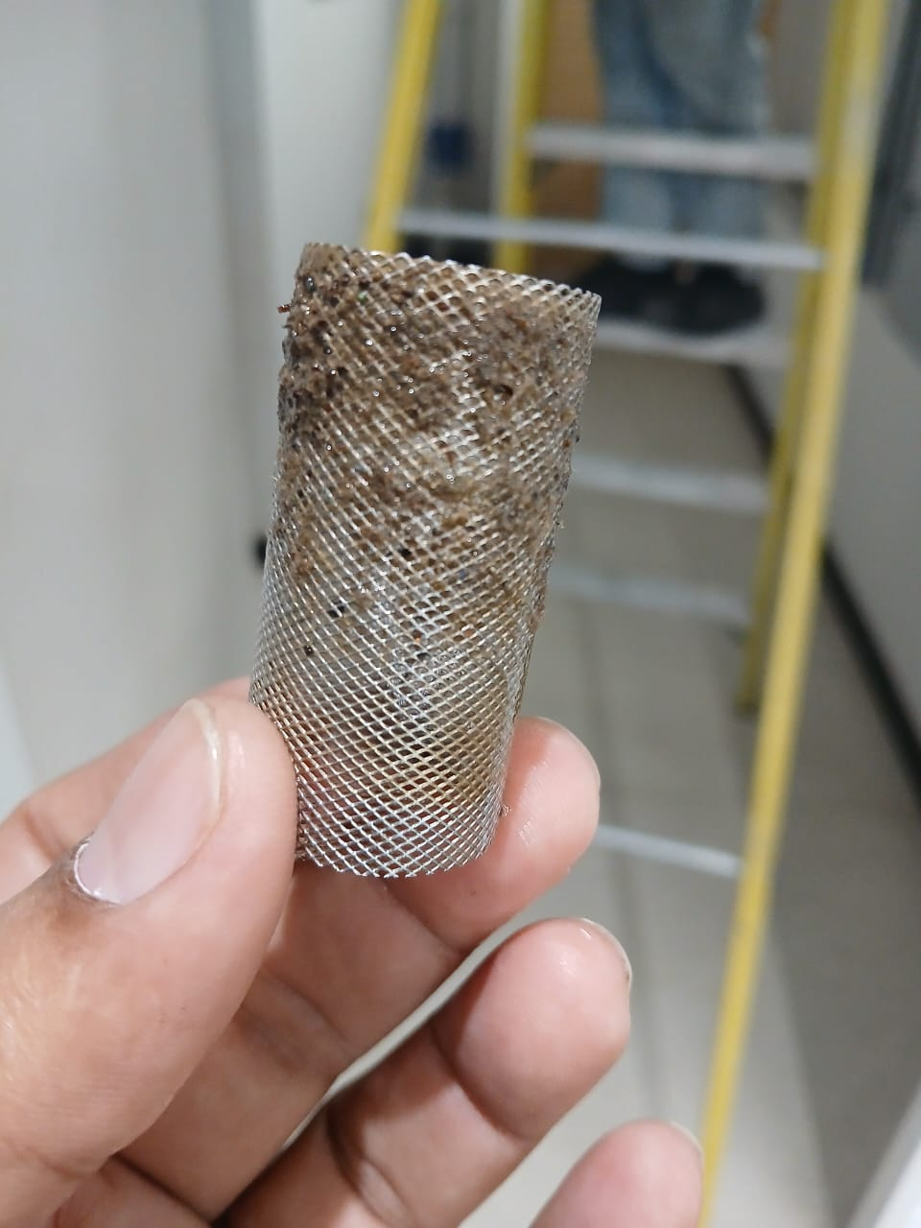
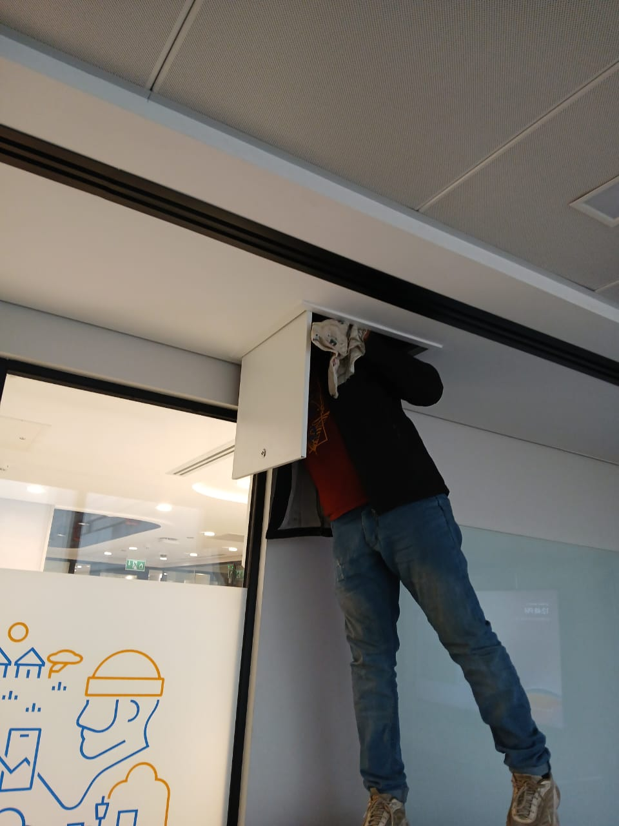
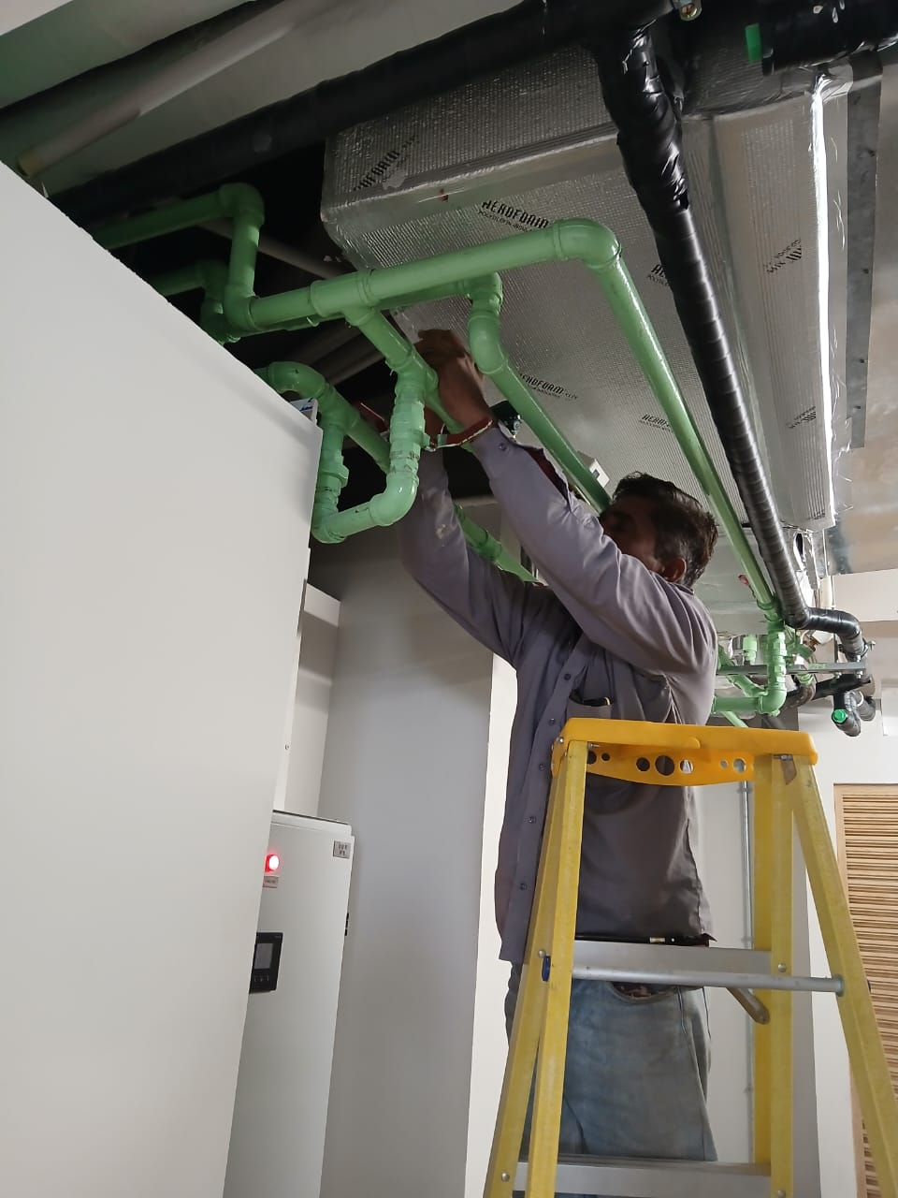
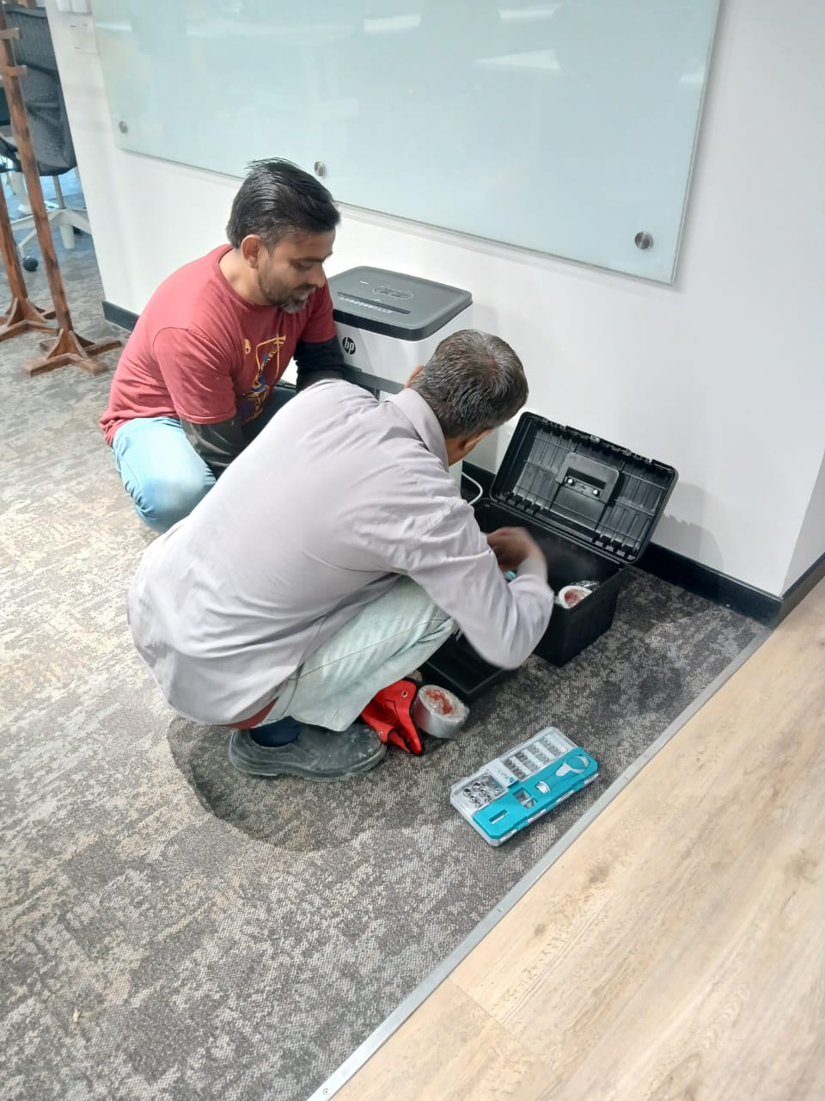
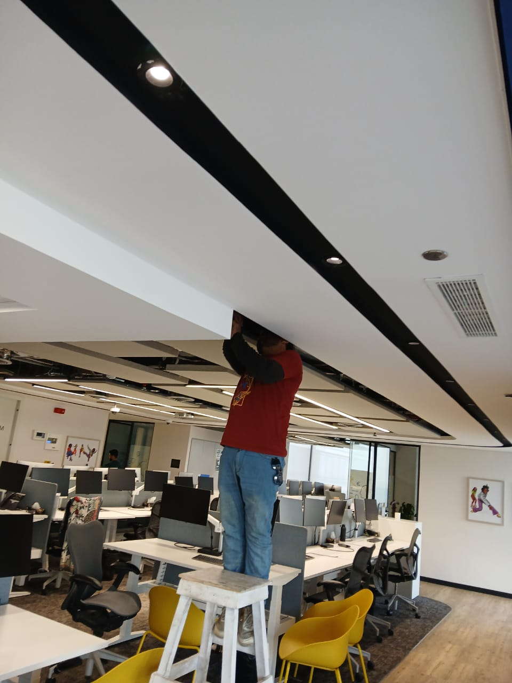
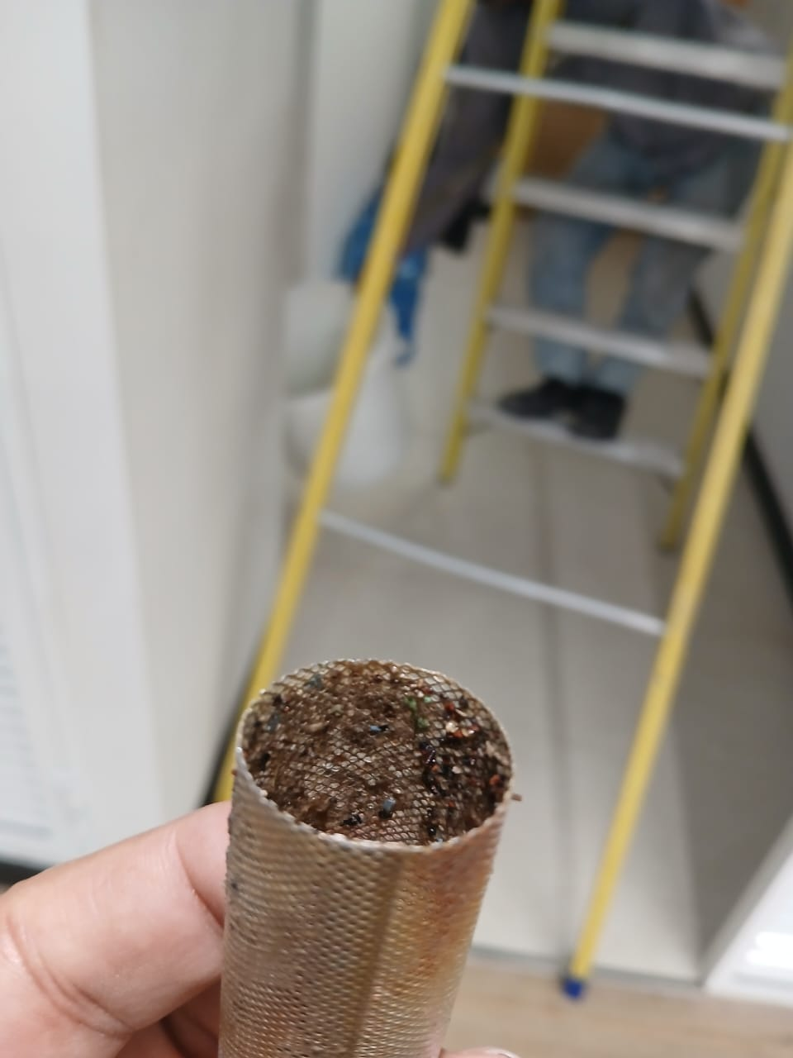
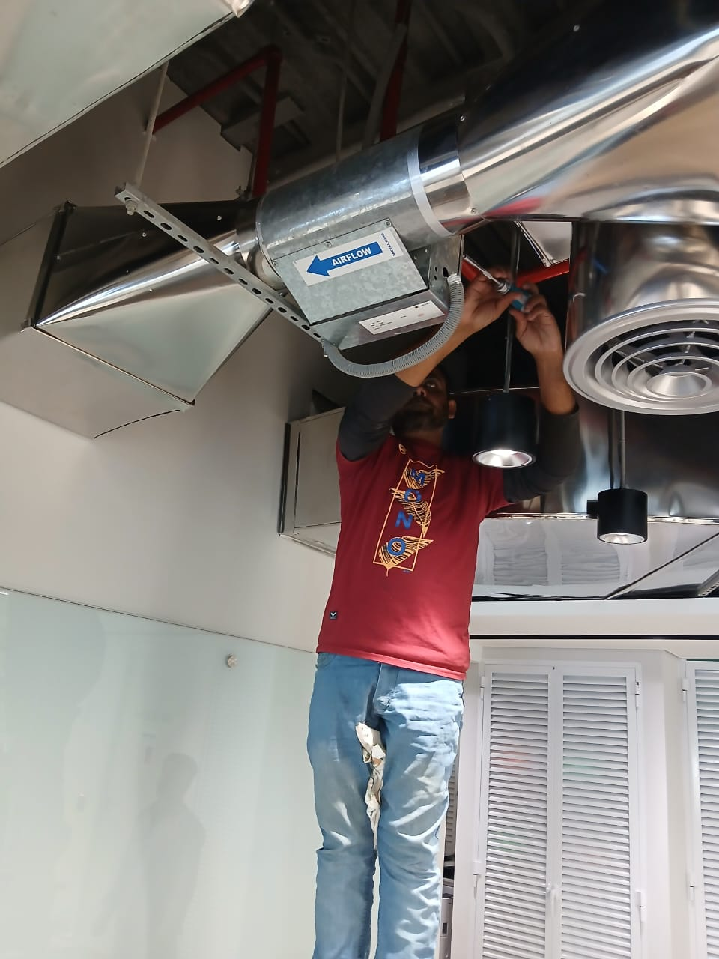
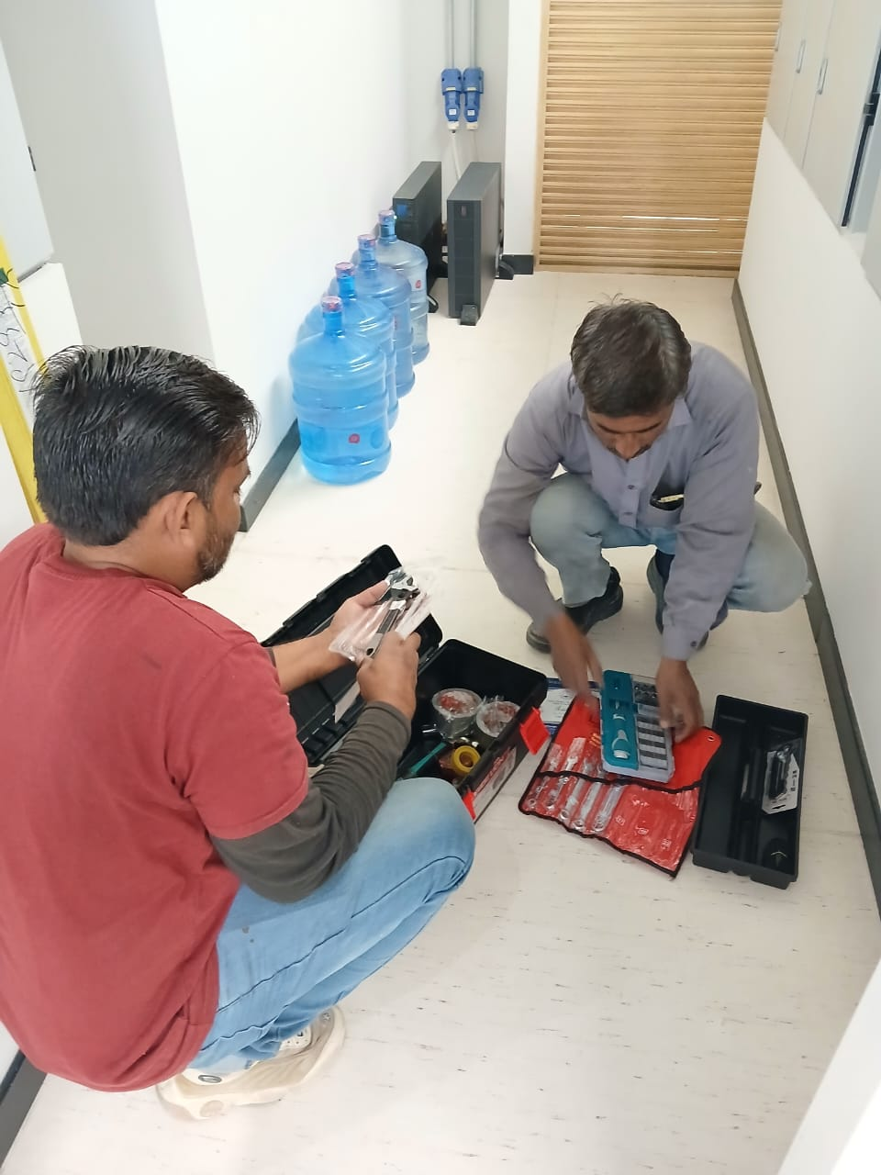
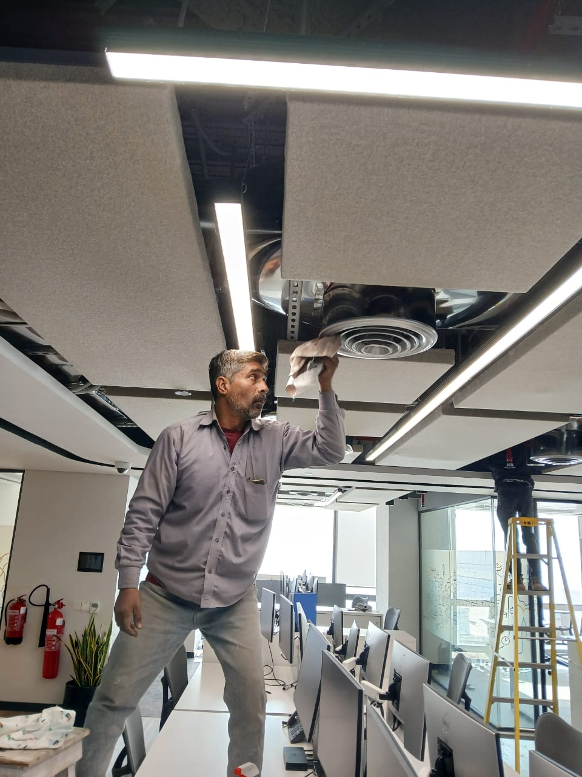
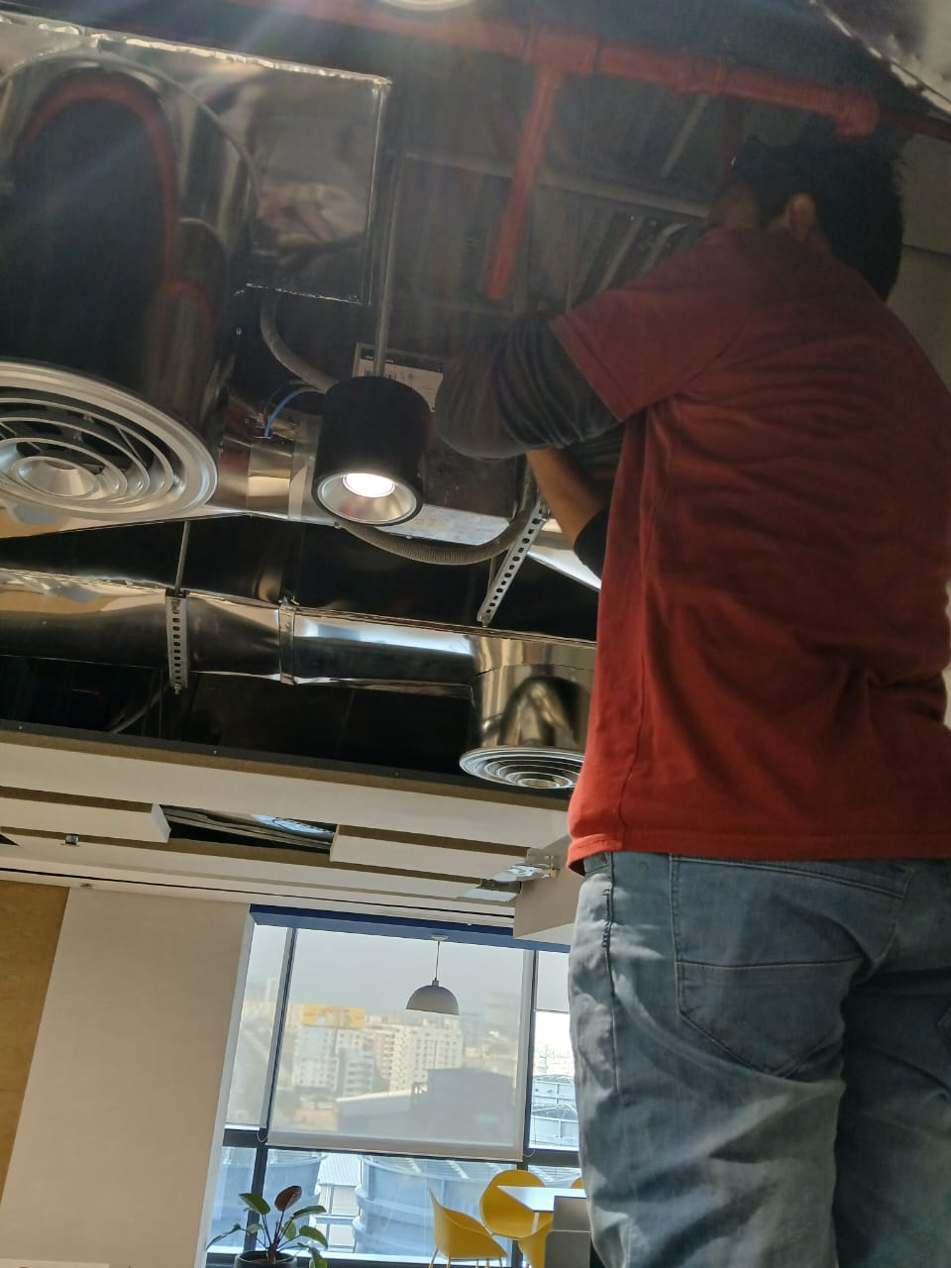
 |  |  | 25-Jan-25
SERVICE REPORT FOR MAINTENANCE OF FOLLOWING HVAC EQUIPMENT
(From October 24 to December 24)
 | Fan coil unit.

 | S. # | Service detail | STATUS
 | 1 | Cleaning or replacing filters | Cleaned
 | 2 | Cleaning of Coils | Cleaned
 | 3 | Check Motorized Valves | Functional
 | 4 | Check room temperature | 22
 | 5 | Check thermostat | 21
 | 6 | Cleaning of chilled water strainers | Cleaned
 | 7 | Lubricating fan motors | OK
 | 8 | Checking for any abnormal noises. | OK

 | Water Cooled Package unit.

 | S. # | Service detail | STATUS
 | 1 | Checking refrigerant levels and inspecting for leaks. | OK
 | 2 | Cleaning condenser and evaporator coils. | OK
 | 3 | Check motorized valve functioning properly | Ok
 | 4 | Check room temperature | 22 C
 | 5 | Check thermostat | 22 Set
 | 6 | Cleaning of chilled water strainers | Cleaned
 | 7 | Examining Water circulation systems | OK
 | 8 | Testing controls and safety features | Done

 | VALVES

 | S. # | Service detail | STATUS
 | 1 | Inspecting valve operations | Ok
 | 2 | Checking for leaks and addressing any issues. | Satisfactory
 | 3 | Lubricating valve stems or actuators as needed. | Done

 | CAVs & VAVs

 | S. # | Service detail | STATUS
 | 1 | Calibrating and testing airflow sensors and controllers. | Tested
 | 2 | Inspecting and adjusting damper positions for proper air balancing. | Ok
 | 3 | Ensuring proper operation of controls and actuators. | Done
 | 4 | Check any damage, leaks, or wear on the VAV & CAV boxes. | Ok
 | 5 | Ensure the area around the VAV & CAV is clear and unobstructed. | Satisfactory
 | 6 | Check and calibrate airflow sensors, pressure sensors, and controllers. | Done
 | 7 | Test the VAVs' response to changes in setpoints and temperature variations. | Tested
 | 8 | Verify damper movement and adjust if necessary for proper airflow | Satisfactory
 | 9 | Inspect motors and actuators for signs of wear or malfunction. | Satisfactory
 | 10 | Lubricate moving parts as recommended by the manufacturer. | Ok
 | 11 | Check electrical connections and wiring for any issues | No issue found
 | 12 | Evaluate the VAV & CAV control system | Done
 | 13 | Verify that the control sequence operates correctly. | OK
 | 14 | Check and verify the setpoints for temperature, airflow rates | Done
 | 15 | Clean dust and debris from the VAV & CAV boxes, ductwork | Cleaned
 | 16 | Ensure the dampers, sensors, and actuators are free from dirt and obstruction. | Satisfactory

 | Return Air Fans

 | S. # | Service detail | STATUS
 | 1 | Inspection and cleaning of fan blades and housings. | Satisfactory
 | 2 | Check motor ball bearing change if necessary | OK
 | 3 | Check blower ball bearing change if necessary | Done
 | 4 | Check belts, bearings, and motors for wear and tear. | Done
 | 5 | Inspect belts, pulleys, and drives for wear, proper tension, and alignment. | Inspected
 | 6 | Inspect the motor for signs of wear, overheating, or abnormal noises. | Inspected
 | 7 | Check electrical connections and wiring for any issues. | Checked
 | 8 | Perform vibration analysis to detect any abnormal vibrations in the fan system. | Running smoothly
 | 9 | Check and adjust the alignment of the fan blades if necessary | OK
 | 10 | Ensure air circulation is optimal and adjust dampers if necessary. | Done

 | Transfer Air Fans

 | S. # | Service detail | STATUS
 | 1 | Inspection and cleaning of fan blades and housings. | Inspected
 | 2 | Check motor ball bearing change if necessary | OK
 | 3 | Check blower ball bearing change if necessary | OK
 | 4 | Check belts, bearings, and motors for wear and tear. | Satisfactory
 | 5 | Inspect belts, pulleys, and drives for wear, proper tension, and alignment. | Satisfactory
 | 6 | Inspect the motor for signs of wear, overheating, or abnormal noises. | Inspected
 | 7 | Check electrical connections and wiring for any issues. | Checked
 | 8 | Perform vibration analysis to detect any abnormal vibrations in the fan system. | Done
 | 9 | Check and adjust the alignment of the fan blades if necessary | Done
 | 10 | Ensure air circulation is optimal and adjust dampers if necessary. | Satisfactory

 | Air Devices (Diffusers, Grilles, Registers, etc.):

 | S. # | Service detail | STATUS
 | 1 | Clean and inspect air distribution outlets for obstructions. | Done
 | 2 | Clean diffusers, grilles, registers, and associated components to remove dust. | Cleaned
 | 3 | Use appropriate cleaning methods to avoid damaging the surfaces | OK
 | 4 | Inspect and adjust dampers or vanes for proper positioning & airflow control. | Inspected
 | 5 | Inspect seals and gaskets for any signs of wear or damage | Inspected
 | 6 | Clear any obstructions or debris in the vicinity of air devices | Cleared
 | 7 | Ensure proper airflows and adjust dampers if needed. | Done
 | 8 | Verify correct functioning of airflow control devices. | Satisfactory

 |  | Witnessed By:
 |  | NAME | ___________________
 |  | Employee ID | ___________________
 |  | Designation | ___________________
 |  | Signature | ___________________
 |  | Date | ___________________

